Sheet1
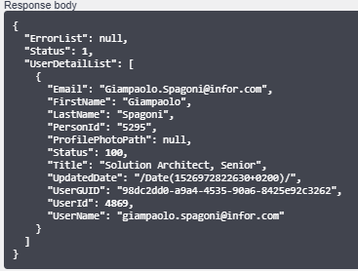
 | DATA FROM IONAPI
Company | 001
Language | GB
Customer Nr. | 71250
Customer Name | BN Custom
Customer addr1 | 641 Avenue of the Americas
Customer addr2
Customer addr3 | New York New York 10011
Customer addr4 | United States

 |  | TOKEN | REFRESH TOKEN
 | Configuration ionapi file (Web Application service type) | { "access_token": "2922c4ab51576cf63c0cb88154f11826", "expires_in": 7200, "token_type": "Bearer", "refresh_token": "0902f499915364a6084baa428e00dec1" } | { "access_token": "bf12721764fba575add9fb2aceeada3f", "expires_in": 7200, "token_type": "Bearer", "refresh_token": "5bfedf4f975a2b8224d5cf867be4103c" }
ti | infor
ci | infor~7T1iLHxHdRXJg5IEfsx4DuX1e7P6i7kSXOl6S7jmwPg
cs | 8yLxD4dc24ADNXJcAkoS9R299nKY8lmdNTDp5OvzgbD-EPyV_kGhPzbToKoo6SDCtgbrGMmo1oM-Y4pzpAtwLQ
iu | https://ICSSB1XIION2.infor.com:7443
pu | https://ICSSB1XIION2.infor.com/InforIntSTS/
oa | connect/authorize
ot | connect/token
or | connect/revocation
ru | http://localhost:3000/redirect.html
endpoint | /M3/m3api-rest/execute/CRS610MI/GetBasicData?CUNO=71250

